7th Street
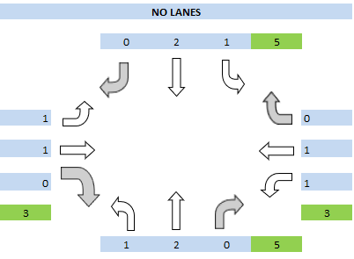
Intersection Name: 7th St and SR95
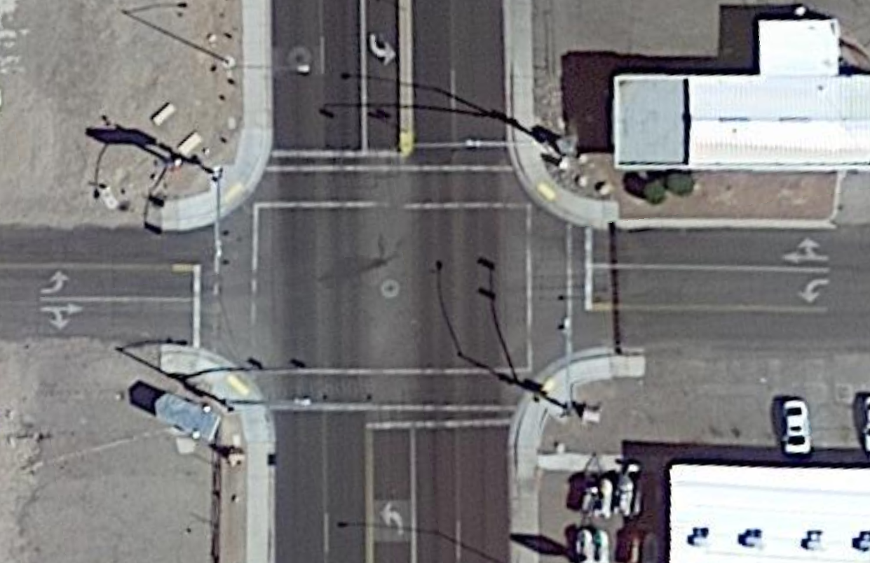
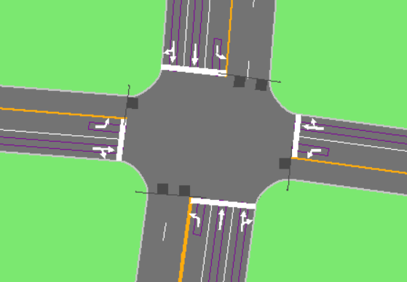

 | Google Earth Data |  |  |  |  |  |  |  |  |  | Synchro Data |  |  |  | Sigma X Lane Data
OSM Movement Data
mvmt_id | node_id | osm_node_id | ib_link_id | start_ib_lane | end_ib_lane | ob_link_id | start_ob_lane | end_ob_lane | lanes | ib_osm_node_id | ob_osm_node_id | type | mvmt_txt_id | geometry | allowed_uses | generated_by_osm2gmns
13962 | 2710 | 1464400520 | 6433 | 4 | 4 | 6914 | 1 | 1 | 1 | 9473721169 | 175172772 | right | SBR | LINESTRING (-114.5675502 35.1532003, -114.5676094 35.1531456) | auto | 1
13963 | 2710 | 1464400520 | 6433 | 2 | 2 | 6923 | 1 | 1 | 1 | 9473721169 | 175187666 | left | SBL | LINESTRING (-114.5675502 35.1532003, -114.5674358 35.1531245) | auto | 1
13964 | 2710 | 1464400520 | 6433 | 3 | 3 | 6928 | 2 | 2 | 1 | 9473721169 | 1464400504 | thru | SBT | LINESTRING (-114.5675502 35.1532003, -114.5675379 35.1530606) | auto | 1
13965 | 2710 | 1464400520 | 6433 | 1 | 1 | 7193 | 1 | 1 | 1 | 9473721169 | 3222855709 | uturn | SBU | LINESTRING (-114.5675502 35.1532003, -114.5674671 35.1531872) | auto | 1
13966 | 2710 | 1464400520 | 6915 | 1 | 1 | 6923 | 1 | 1 | 1 | 175172772 | 175187666 | thru | EBT | LINESTRING (-114.5676094 35.1531456, -114.5674358 35.1531245) | auto | 1
13967 | 2710 | 1464400520 | 6915 | 1 | 1 | 6928 | 2 | 2 | 1 | 175172772 | 1464400504 | right | EBR | LINESTRING (-114.5676094 35.1531456, -114.5675379 35.1530606) | auto | 1
13968 | 2710 | 1464400520 | 6915 | 1 | 1 | 7193 | 1 | 1 | 1 | 175172772 | 3222855709 | left | EBL | LINESTRING (-114.5676094 35.1531456, -114.5674671 35.1531872) | auto | 1
13969 | 2710 | 1464400520 | 6922 | 1 | 1 | 6914 | 1 | 1 | 1 | 175187666 | 175172772 | thru | WBT | LINESTRING (-114.5674358 35.1531245, -114.5676094 35.1531456) | auto | 1
13970 | 2710 | 1464400520 | 6922 | 1 | 1 | 6928 | 1 | 1 | 1 | 175187666 | 1464400504 | left | WBL | LINESTRING (-114.5674358 35.1531245, -114.5675379 35.1530606) | auto | 1
13971 | 2710 | 1464400520 | 6922 | 1 | 1 | 7193 | 4 | 4 | 1 | 175187666 | 3222855709 | right | WBR | LINESTRING (-114.5674358 35.1531245, -114.5674671 35.1531872) | auto | 1
13972 | 2710 | 1464400520 | 6927 | 1 | 1 | 6914 | 1 | 1 | 1 | 1464400504 | 175172772 | left | NBL | LINESTRING (-114.5675379 35.1530606, -114.5676094 35.1531456) | auto | 1
13973 | 2710 | 1464400520 | 6927 | 2 | 2 | 6923 | 1 | 1 | 1 | 1464400504 | 175187666 | right | NBR | LINESTRING (-114.5675379 35.1530606, -114.5674358 35.1531245) | auto | 1
13974 | 2710 | 1464400520 | 6927 | 2 | 2 | 7193 | 4 | 4 | 1 | 1464400504 | 3222855709 | thru | NBT | LINESTRING (-114.5675379 35.1530606, -114.5674671 35.1531872) | auto | 1

Movement_utdf Data
mvmt_id | node_id | osm_node_id | ib_link_id | start_ib_lane | end_ib_lane | ob_link_id | start_ob_lane | end_ob_lane | lanes | ib_osm_node_id | ob_osm_node_id | type | mvmt_txt_id | geometry | allowed_uses | generated_by_osm2gmns | Lanes | Shared
13962 | 2710 | 1464400520 | 6433 | 4 | 4 | 6914 | 1 | 1 | 1 | 9473721169 | 175172772 | right | SBR | LINESTRING (-114.5675502 35.1532003, -114.5676094 35.1531456) | auto | 1 | 0
13963 | 2710 | 1464400520 | 6433 | 2 | 2 | 6923 | 1 | 1 | 1 | 9473721169 | 175187666 | left | SBL | LINESTRING (-114.5675502 35.1532003, -114.5674358 35.1531245) | auto | 1 | 1 | 0
13964 | 2710 | 1464400520 | 6433 | 3 | 3 | 6928 | 2 | 2 | 1 | 9473721169 | 1464400504 | thru | SBT | LINESTRING (-114.5675502 35.1532003, -114.5675379 35.1530606) | auto | 1 | 2 | 2
13965 | 2710 | 1464400520 | 6433 | 1 | 1 | 7193 | 1 | 1 | 1 | 9473721169 | 3222855709 | uturn | SBU | LINESTRING (-114.5675502 35.1532003, -114.5674671 35.1531872) | auto | 1
13966 | 2710 | 1464400520 | 6915 | 1 | 1 | 6923 | 1 | 1 | 1 | 175172772 | 175187666 | thru | EBT | LINESTRING (-114.5676094 35.1531456, -114.5674358 35.1531245) | auto | 1 | 1 | 2
13967 | 2710 | 1464400520 | 6915 | 1 | 1 | 6928 | 2 | 2 | 1 | 175172772 | 1464400504 | right | EBR | LINESTRING (-114.5676094 35.1531456, -114.5675379 35.1530606) | auto | 1 | 0
13968 | 2710 | 1464400520 | 6915 | 1 | 1 | 7193 | 1 | 1 | 1 | 175172772 | 3222855709 | left | EBL | LINESTRING (-114.5676094 35.1531456, -114.5674671 35.1531872) | auto | 1 | 1 | 0
13969 | 2710 | 1464400520 | 6922 | 1 | 1 | 6914 | 1 | 1 | 1 | 175187666 | 175172772 | thru | WBT | LINESTRING (-114.5674358 35.1531245, -114.5676094 35.1531456) | auto | 1 | 1 | 2
13970 | 2710 | 1464400520 | 6922 | 1 | 1 | 6928 | 1 | 1 | 1 | 175187666 | 1464400504 | left | WBL | LINESTRING (-114.5674358 35.1531245, -114.5675379 35.1530606) | auto | 1 | 1 | 0
13971 | 2710 | 1464400520 | 6922 | 1 | 1 | 7193 | 4 | 4 | 1 | 175187666 | 3222855709 | right | WBR | LINESTRING (-114.5674358 35.1531245, -114.5674671 35.1531872) | auto | 1 | 0
13972 | 2710 | 1464400520 | 6927 | 1 | 1 | 6914 | 1 | 1 | 1 | 1464400504 | 175172772 | left | NBL | LINESTRING (-114.5675379 35.1530606, -114.5676094 35.1531456) | auto | 1 | 1 | 0
13973 | 2710 | 1464400520 | 6927 | 2 | 2 | 6923 | 1 | 1 | 1 | 1464400504 | 175187666 | right | NBR | LINESTRING (-114.5675379 35.1530606, -114.5674358 35.1531245) | auto | 1 | 0
13974 | 2710 | 1464400520 | 6927 | 2 | 2 | 7193 | 4 | 4 | 1 | 1464400504 | 3222855709 | thru | NBT | LINESTRING (-114.5675379 35.1530606, -114.5674671 35.1531872) | auto | 1 | 2 | 2

SigmaX
 | TURNING VOLUMES (VPH) |  |  |  |  |  |  |  |  | PHASE DESIGNATION (PHASE No) |  |  |  |  |  |  |  | NO LANES
 |  | SR 95 |  |  |  |  |  |  |  |  |  | SR 95
 |  | 0 | 632 | 13 |  |  |  |  |  |  |  | 6 | 6 | 6 |  |  |  |  | 0 | 2 | 1 | 5

 |  |  |  |  |  |  | NORTH

 | 0 |  |  |  |  | 0 |  |  |  | 8 |  |  |  |  |  | 4 |  | 1 |  |  |  |  | 0

0 | 0 |  | SR 95 & 0 |  |  | 0 | 7th Street |  | 0 | 8 |  |  |  |  |  | 4 |  | 1 |  |  |  |  | 1

 | 0 |  |  |  |  | 0 |  |  |  | 8 |  |  |  |  |  | 4 |  | 0 |  |  |  |  | 1

 |  |  |  |  |  |  |  |  |  |  |  |  |  |  |  |  |  | 3 |  |  |  |  | 3

 |  | 1 | 575 | 0 |  |  |  |  |  |  |  | 2 | 2 | 2 |  |  |  |  | 1 | 2 | 0 | 5
 |  | SR 95 |  |  |  |  |  |  |  |  |  | SR 95

 | SPLIT DURATIONS (S) |  |  |  |  |  |  |  |  | MOVEMENT CAPACITIES (VPH)
 |  | SR 95 |  |  |  |  |  |  |  |  |  | SR 95
 |  | 25 | 25 | 25 |  |  |  |  |  |  |  | 0 | 1486.4 | 1058

 |  |  |  |  |  |  | NORTH

 | 25 |  |  |  |  | 25 |  |  |  | 1564.9 |  |  |  |  |  | 0
 |  |  | C = 50 s
0 | 25 |  |  |  |  | 25 | 7th Street |  | 0 | 782.5 |  |  |  |  |  | 782.5

 | 25 |  |  |  |  | 25 |  |  |  | 0 |  |  |  |  |  | 1564.9

 |  | 25 | 25 | 25 |  |  |  |  |  |  |  | 1037 | 1486.4 | 0
 |  | SR 95 |  |  |  |  |  |  |  |  |  | SR 95

 |  |  |  |  |  |  |  |  |  |  | CONTROL DELAY (S)
 | V/C RATIO |  |  |  |  |  |  |  |  |  |  |  | SR 95
 |  | SR 95 |  |  |  |  |  |  |  |  |  |  | 11.4
 |  | 0.00 | 0.46 | 0.01 |  |  |  |  |  |  |  |  | 0.0 | 11.5 | 8.5

 |  |  |  |  |  |  | NORTH |  |  |  |  |  |  |  |  |  | NORTH

 | 0.00 |  |  |  |  | 0.00 |  |  |  |  | 0.0
 |  | 0.24 |  |  |  |  |  |  |  |  |  |  | 11.2
0 | 0.00 | Under Capacity |  |  |  | 0.00 | 7th Street |  | 0 | 0.0 | 0.0 |  |  |  |  |  | 0.0 | 7th Street

 | 0.00 |  |  |  |  | 0.00 |  |  |  |  | 0.0

 |  | 0.00 | 0.42 | 0.00 |  |  |  |  |  |  |  |  | 0.0 | 11.1 | 0.0
 |  | SR 95 |  |  |  |  |  |  |  |  |  |  | 11.1
 |  |  |  |  |  |  |  |  |  |  |  |  | SR 95
 |  |  |  |  | INTERSECTION LEVEL OF SERVICE (LOS)
 |  |  |  |  |  |  | SR 95
 |  |  |  |  |  |  |  | B
 |  |  |  |  |  |  | N/A | B | A |  |  |  |  | LOS | Color
 |  |  |  |  |  |  |  |  |  |  |  |  |  | A
 |  |  |  |  |  |  |  |  |  |  |  | NORTH |  | B
 |  |  |  |  |  |  |  |  |  |  |  |  |  | C
 |  |  |  |  |  |  |  |  |  |  |  |  |  | D
 |  |  |  |  | N/A |  |  |  |  |  | N/A |  |  | E
 |  |  |  |  |  |  | B |  |  |  |  |  |  | F
 |  |  | 0 | N/A | N/A |  |  |  |  |  | N/A | N/A | 7th Street

 |  |  |  |  | N/A |  |  |  |  |  | N/A

 |  |  |  |  |  |  | N/A | B | N/A
 |  |  |  |  |  |  |  | B
 |  |  |  |  |  |  | SR 95

 |  |  |  | Movement | EBL | EBT | WBL | WBT | NBL | NBT | SBL | SBT
 |  |  |  | Phase | 8 | 8 | 4 | 4 | 2 | 2 | 6 | 6
 |  |  |  | Split | 25 | 25 | 25 | 25 | 25 | 25 | 25 | 25
 |  |  |  | Capacity | 1564.9 | 782.5 | 1564.9 | 782.5 | 1037 | 1486.4 | 1058 | 1486.4
 |  |  |  | V/C | 0 | 0 | 0 | 0 | 0 | 0.42 | 0.01 | 0.46
 |  |  |  | Delay | 0 | 0 | 0 | 0 | 0 | 11.08 | 8.47 | 11.45
 |  |  |  | LOS | N/A | N/A | N/A | N/A | N/A | B | A | B
 |  |  |  |  | = | " | > | ! | : | # | 9 | $
 |  |  |  | Phase | 1 | 2 | 3 | 4 | 5 | 6 | 7 | 8 |  | 8 | =
 |  |  |  | Movement | Not used | NBL | Not used | WBL | Not used | SBL | Not used | EBL |  | 7
 | red 1 | green | yellow | red 2
= | 25 | 20.5 | 3.5 | 1
 | 25 | 0 | 0 | 25
9 | 0 | 20.5 | 3.5 | 26
 | 0 | 0 | 0 | 50
> | 25 | 20.5 | 3.5 | 1
 | 25 | 0 | 0 | 25
: | 0 | 20.5 | 3.5 | 26
 | 0 | 0 | 0 | 50
 |  |  |  |  |  | : |  | > |  | 9 |  | = |  | 6 | 9
 |  |  |  | Split (s) | Not used | 25 | Not used | 25 | Not used | 25 | Not used | 25 |  | 5
 |  |  |  | Capacity (vph) | Not used | 1037 | Not used | 1564.9 | Not used | 1058 | Not used | 1564.9 |  | 4 | >
 |  |  |  | V/C | Not used | 0 | Not used | 0 | Not used | 0.01 | Not used | 0 |  | 3
 |  |  |  | Delay (s) | Not used | 0 | Not used | 0 | Not used | 8.47 | Not used | 0 |  | 2 | :
 |  |  |  | LOS | Not used | N/A | Not used | N/A | Not used | A | Not used | N/A |  | 1

